Q.1
Assignment No.1

1. Introduction to Excel
Q1. Excel Interface Exploration: Open Microsoft Excel and navigate through its interface. Capture screenshots and explain the purpose of each of the following elements :
1.The Ribbon
2.Quick Access Toolbar
3.Formula Bar
4.Worksheet Tabs
Ans :

1. The Ribbon :
Purpose: Contains all the commands and tools you use in Excel.
Organized into tabs like Home, Insert, Page Layout, Formulas, Data, Review, and View.
Each tab groups related commands (e.g., Home has formatting tools like font, alignment, styles).

2. Quick Access Toolbar :
Purpose: Provides one-click access to commonly used commands such as Save, Undo, Redo, Print, etc.
Can be customized to include your favorite commands.

3. Formula Bar :
Purpose: Displays the contents of the currently selected cell (whether text, number, or formula).
You can enter or edit data/formulas here instead of typing directly into a cell.
Shows the result of formulas in the cell but the actual formula inside the bar.

4.Worksheet Tabs :
Purpose: Lets you navigate between multiple sheets (Sheet1, Sheet2, etc.) in a single workbook.
You can rename, delete, or add new sheets here.
Useful for organizing different sets of data in one file.

Q.2
2. Data Entry and Editing:
Q.2. Create an Excel worksheet where you:
1.Enter a list of at least 10 fictional students with their names, ages, and scores in three subjects.
2.Use Excel's "AutoFill" feature to create a series of numbers for the "ID" column.
3.Edit one student’s score, and explain how to quickly find and replace data.

2. Steps to Use AutoFill for the ID Column :
Enter the First Two Numbers :
In cell B12 (under the ID header), type 1.
In cell B13, type 2.
Select Both Cells :
Highlight B12 and B13 together (this tells Excel the pattern you want to continue).
Drag the Fill Handle :
Move your mouse to the bottom-right corner of the selection until the cursor turns into a small black plus sign(+).
Click and drag down to row 11 (or however many students you have).
Release the Mouse Button :
Excel will automatically fill the numbers in sequence: 1, 2, 3, 4…10.
Id. | Name | Age | English | Maths | Science
1 | Alex Kumar | 15 | 78 | 83 | 90
2 | Neha Singh | 14 | 65 | 72 | 80
3 | Rohan Das | 16 | 90 | 88 | 85
4 | Priya Mehta | 15 | 70 | 68 | 75
5 | Karan Rao | 15 | 82 | 90 | 89
6 | Anjali Roy | 14 | 77 | 81 | 73
7 | Manish Joshi | 16 | 64 | 69 | 78
8 | Tanya Paul | 15 | 88 | 92 | 95
9 | Arjun Saha | 14 | 60 | 65 | 70
10 | Sneha Iyer | 15 | 83 | 86 | 91

3. Edit One Student’s Score :
Suppose you want to edit Alex Kumar Science score from 90 to 75:
Click the cell that contains 90.
Type 75 and press Enter. This updates the score instantly.
Id. | Name | Age | English | Maths | Science
1 | Alex Kumar | 15 | 78 | 83 | 75
2 | Neha Singh | 14 | 65 | 72 | 80
3 | Rohan Das | 16 | 90 | 88 | 85
4 | Priya Mehta | 15 | 70 | 68 | 75
5 | Karan Rao | 15 | 82 | 90 | 89
6 | Anjali Roy | 14 | 77 | 81 | 73
7 | Manish Joshi | 16 | 64 | 69 | 78
8 | Tanya Paul | 15 | 88 | 92 | 95
9 | Arjun Saha | 14 | 60 | 65 | 70
10 | Sneha Iyer | 15 | 83 | 86 | 91

Q.3
3. Customizing the Quick Access Toolbar
Q.3 Customize the Quick Access Toolbar to include at least five commonly used commands (e.g., Save,Undo, Redo, New). Take a screenshot of your customized toolbar and explain why you selected these commands.
Ans:

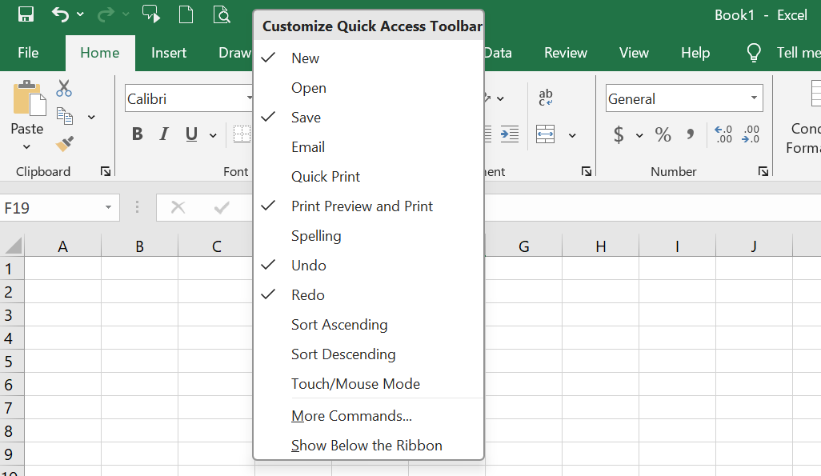
Save: Quick saving without going to the File tab every time.
Undo: To quickly reverse mistakes.
Redo: To restore changes after undoing.
New: Instantly create a new workbook.
Print Preview & Print: To quickly check layout and print the sheet.
These are the most frequently used actions in Excel, so having them on the Quick Access Toolbar saves time and improves efficiency.

Q4
4. File Formats in Excel
Q.4. Create a workbook and save it in three different formats (e.g., .xlsx, .csv, .pdf). Explain when and why you would use each format.
Ans :

Format When to Use Why
.xlsx (Excel Workbook) When you want to keep full Excel (formulas, charts, multiple sheets). Default editable Excel file.
.csv (Comma Separated Values) When you need to transfer raw data to other Doesn’t keep formatting or formulas.
software (databases, coding, data analysis).
Simple text file with values separated by commas.
.pdf (Portable Document Format) When you need a non-editable version for sharing or printing. Keeps the exact layout, can be
opened without Excel.

Steps to Create & Save in Three Formats :
1. Open Excel and create a workbook with some data (e.g., names and marks).
2. Click File → Save As.
3. Choose a location, then in the “Save as type” dropdown, select:
Excel Workbook (*.xlsx)
CSV (Comma delimited) (*.csv)
PDF (*.pdf)
4. Save the same file in all three formats.

Q.5
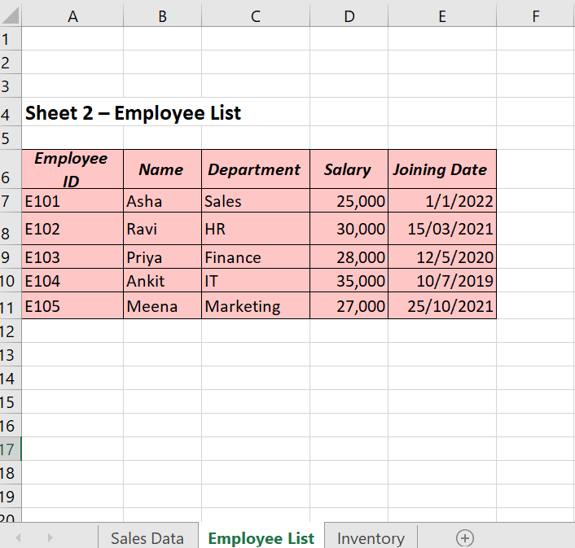
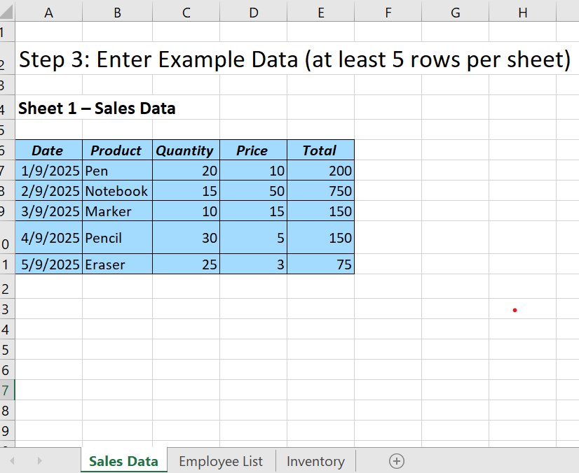
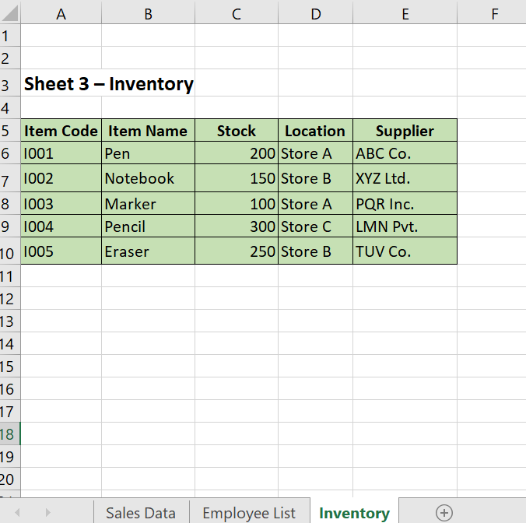
3. Excel Worksheets and Workbooks
1. Creating a Workbook:
Q1. Create a new Excel workbook and organize it into three worksheets. For each worksheet:
A. Name the sheet according to the type of data it will contain (e.g., “Sales Data,” “Employee List”).
B. Enter at least five rows of example data.
C. Use formatting (bold, italics, borders) to make the data visually appealing.

Step 1: Create a New Excel Workbook - Open Microsoft Excel → click Blank Workbook.

Step 2: Create and Rename 3 Worksheets
At the bottom of Excel, you’ll see tabs labeled “Sheet1,” “Sheet2,” “Sheet3.”
Right-click on each tab → Rename → type the names:
Sheet1 → Sales Data
Sheet2 → Employee List
Sheet3 → Inventory

Q.6
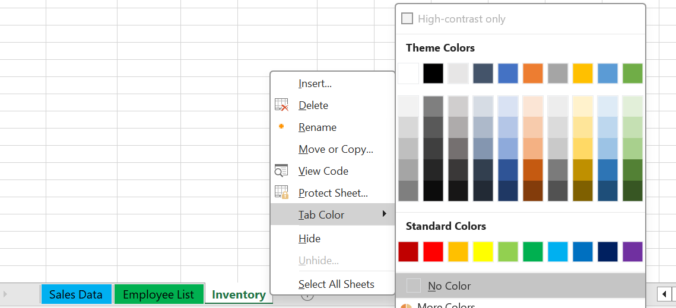
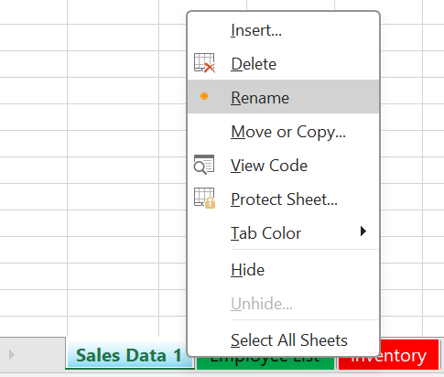
2. Navigating Workbooks and Worksheets
Q.6 In an Excel workbook, demonstrate how to:
Switch between different worksheets.
Move or copy one worksheet to a new workbook.
Rename a worksheet and change the tab color.

Step 1: Switch Between Different Worksheets

Step 2: Move or Copy One Worksheet to a New Workbook

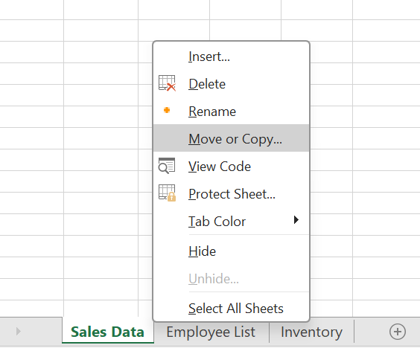

Step 3: Rename a Worksheet and Change the Tab Color

